install
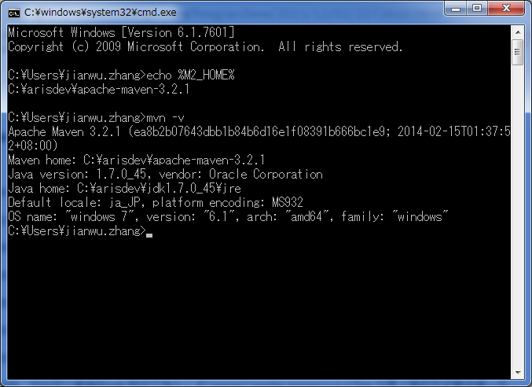
环境变数
 | M2_HOME=C:\arisdev\apache-maven-3.2.1
 | PATH=%M2_HOME%\bin;

检证

